Sheet1
Bug ID | ModuleName | Titile | Description | Steps | Expected | Actaul Result | Severity | Priority | Status | Screenshort
Bug_01 | Sign in | Login Failure | Users cannot sign up or log | Go to the Login or Sign Up page. Fill in the required fields. Click the Submit button. | User is logged in or registered successfully. | Nothing happens; the page stays on the form with no error message. | Critical | Blokcer | New | 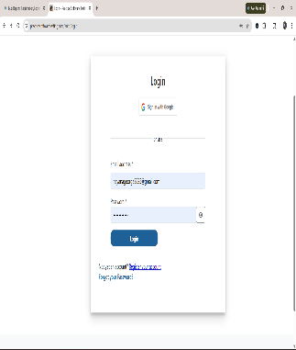
Bug_02 | Registraion | Name field accepts numeric values | The Name field incorrectly allows numeric input, which violates standard data validation rules. A user’s name should contain only alphabetic characters. | Navigate to Register page Enter 12345 in Name field Fill remaining fields Click Register | System should restrict input to alphabets and show validation error | Numeric values are accepted without any validation | Major | High | New | 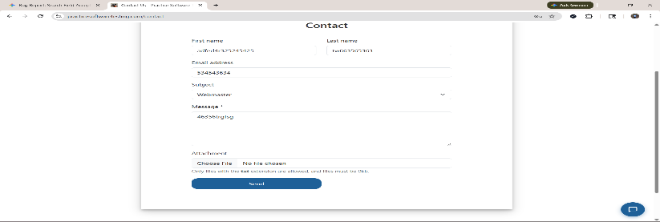
Bug_03 | Registration | Name field accepts special characters | The Name field allows special characters like @#$%, which leads to invalid user data being stored. | Enter @#$% in Name field Submit form | Only alphabets allowed | Special characters accepted | Majior | HIGH | New | 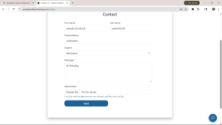
Bug_04 | Registraion | Date of Birth field accepts invalid characters | The Date of Birth field allows non-date values such as alphabets, which can lead to incorrect or unusable data. | Enter abcd in DOB field Submit form | Only valid date format should be accepted | Invalid characters accepted | Major | HIGH | New
Bug_05 | Registration | Date of Birth allows future dates | The system allows users to enter a future date in the Date of Birth field, which is logically incorrect. | Enter a future date (e.g., 01/01/2099) Submit | Future dates should be restricted | Accepted | Major | HIGH | New
Bug_06 | Registration | Phone number field accepts alphabets | The Phone Number field incorrectly allows alphabetic characters, violating numeric-only input rules. | Enter abcd123 Submit | Only digits allowed | Alphabets accepted | Major | HIGH | New
Bug_07 | Registrtion | Phone number field has no length restriction | The phone number field does not enforce minimum or maximum length, allowing invalid numbers. | Enter 123 or a very long number Submit | Should enforce standard length (e.g., 10 digits) | No restriction | Major | HIGH | New
Bug_08 | Registration | City field accepts numeric values | City field allows numeric values, leading to incorrect address data. | Enter 12345 in City Submit | : Only alphabets allowed | Numbers accepted | Major | HIGH | New | 
Bug_09 | Registartion | City field accepts special characters | City field accepts invalid characters like @@@, which are not valid city names. | Enter 12345 in City Submit | Only alphabets allowed | Special characters accepted | Major | Mediu | New | 
Bug_10 | Registration | State field accepts numeric values | State field allows numeric input, which is not valid for geographic names. | Enter 123 in State | : Only alphabets | Numbers accepted | Major | Medium | New | 
Bug_11 | Home | Search function allows numeric input | Search field accepts numeric-only input without validation | Navigate to the application home page Locate the search bar Enter numeric value (e.g., 12345) Click on Search / press Enter | Only alphabets allowed | Restrict numeric-only input, OR Display a validation message like “Please enter a valid product name” | Major | Medium | New
Bug 12 | product details | Add to Favorites is not working | Add to Favorites” functionality is not working | Navigate to product listing or product detail page Click on the Add to Favoutite Observe the behavior Navigate to Favorites/Wishlist section | Product should be added to Favorites | Product is not added to Favorites | Major | Medium | New | 
Bug 13 | Product Details | Compare feature is not working | Compare functionality is not working when selecting products | Navigate to product listing page click on compare icon | It should be clickakble | Not clickcable | Major | Medium | New
Bug 14 | Checkout | Mismatch in total number of products and total price | Mismatch between total product count and total price in cart/checkout | Navigate to product page Add multiple products to cart (e.g., 2–3 items) Go to Cart / Checkout page Verify: Total number of items Individual product prices Final total price | Product count should match items added | Total price does not match item count OR | Critical | High | New | 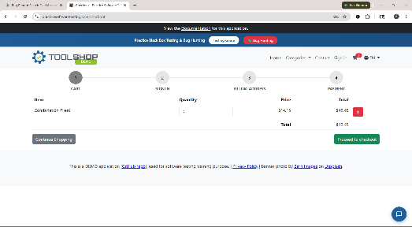
Bug 15 | Checkout | Name field accepts special characters | Name field accepts special characters | Navigate to checkout page Enter 1234 | Only alphabets allowed | Only alphabets allow | Major | High | New | 